2-28-17
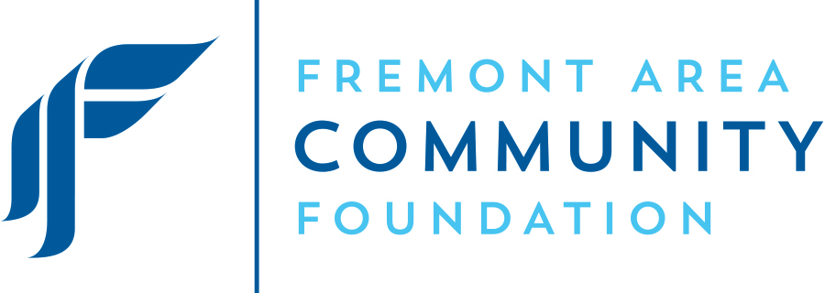

 |  |  | Fremont Area Community Foundation

 |  |  | Dashboard Report as of 2/28/17

Rate of Return
 | FACF | Target Index | CPI + 5.25%
YTD | 4.10% | 3.80% | 1.40%
3 Yr | 3.90% | 3.70% | 6.30%
5 Yr | 7.20% | 6.80% | 6.50%
10 Yr | 4.70% | 4.40% | 6.90%
TOTAL ASSETS |  |  |  |  | OPERATING RESULTS
 |  |  |  |  |  | 2017 Budget | 2017 Actual
As of February 28, 2017 | $232,450,003 |  |  |  | CY Budget /CY Actual
 |  |  |  |  | Operating Revenue | $2,389,550 | $598,664
As of February 29, 2016 | $204,166,994 |  |  |  | Operating Expenses | 2,389,550 | 383,457
 |  |  |  |  | Revenue Over (Under) Expenses | $- | $215,207
Assets by Division
Fremont Area Community Foundation | $198,268,366 |  |  |  | PY Annual Budget /PY Annual Actual | 2016 Budget | 2016 Actual
Fremont Area Elderly Needs Fund | 10,399,638 |  |  |  | Operating Revenue | $2,237,775 | $2,354,330
Amazing X | 5,436,333 |  |  |  | Operating Expenses | 2,237,000 | 2,083,899
Mecosta County Community Foundation | 5,205,066 |  |  |  | Revenue Over (Under) Expenses | $775 | $270,431
Osceola County Community Foundation | 8,603,006 | CAPITAL
Lake County Community Foundation | 4,537,593 |  | Property Fund Balance | $277,879 | CONTRIBUTIONS
Total Assets | $232,450,003 |  | Reserve Fund Balance | $1,414,948 |  | 2017 | 2016
 |  |  |  |  | New Funds - FACF | 3 | 1
 |  |  |  |  | New Funds - Affiliates | 2 | 1
GRANTS |  |  |  |  | Total New Funds | 5 | 2
Net Grants Awarded | 2017 |  | 2016
 |  |  |  |  | Gifts - FACF | $255,305 | $67,251
Discretionary/Field of Interest | $5,000 | 2% | $8,250 | 4% | Gifts - Affiliates | $45,182 | $349,212
Donor Adv/Designated/Agency/ Scholarship | $237,119 | 88% | $189,870 | 91% | Total Gifts | $300,487 | $416,463
Affiliates | $27,240 | 10% | $11,320 | 5%
 | $269,359 |  | 209,439 |  | Discretionary/Field of Interest Gifts - FACF | $108,857 | $587
 |  |  |  |  | Discretionary/Field of Interest Gifts - Affiliates | $34,729 | $9,252
2017 Grants by Interest Area as of 2/28/17
Arts | 11,150 | 4%
Community Development | 0 | 0%
Education | 149,670 | 54%
Environment | 0 | 0%
Health & Human Services | 117,799 | 42%
Philanthropy | 0 | 0%
2016 Grants by Interest Area as of 2/29/16
Arts | 4,300
Community Development | 4,200
Education | 78,720
Environment | 500
Health & Human Services | 115,800
Philanthropy | 500
 |  |  |  |  | Total Discretionary Gifts | $143,586 | $9,839

 |  |  |  |  | Human Interest Story
Project: Middle School Cyber Cafe When Newaygo Public schools was awarded a $5,000 education min-grant to help turn part of their middle school library into a cyber cafe, they knew that they would have to find additional donors to fund the technology the space would need. Teacher Jamie Harkness went to work recruiting local businesses and individuals to help, ultimately raising more than $7,800 to complete the library's transformation. The cyber cafe gives students a place to learn, socialize, and use Wi-Fi. Grant funds were used to purchase comfortable seating, tables, and coffee makers to lend the space a welcoming cafe feel, while the new technology allows students to access the internet and work together on projects and presentations, College and universities have sent in their school flags to hang in the cafe. Students also volunteer at the cafe serving coffee, snacks, and running the cash register while learning valuable skills and responsibility. It's a true community collaboration that's supporting new opportunities for local students.

